Information
Whāinagaroa Raglan Destination Management Organisation
The Impact of Soundsplash on Raglan Retail.

The following data is based on cardholder spending at Worldline and Verifone merchants in Raglan as pictured below:

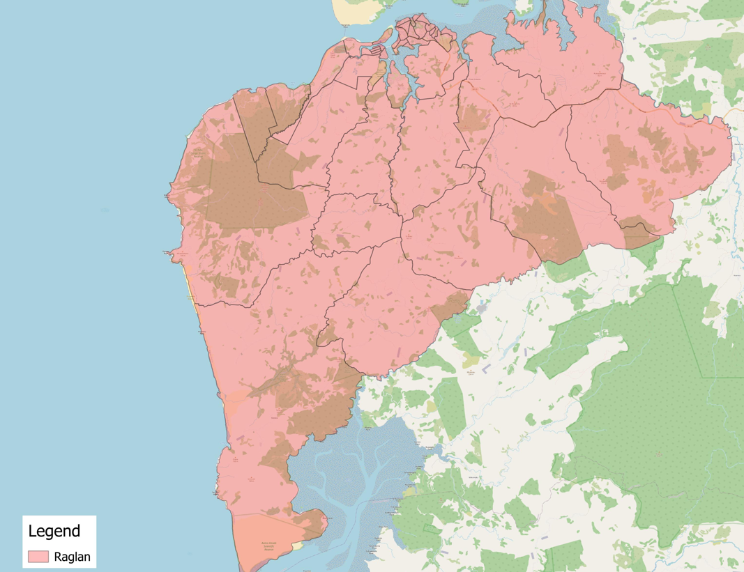

Transactions are for Friday 16th, Saturday 17th, and Sunday 18th January 2026 over Soundsplash, and compared to the same days last year, the same days last week and the same days next week.

The storetypes used include the following industry codes:
Storetypes | ANZSICs
Cafes, Restaurants, Bars & Takeaways | 4511 | Cafes and Restaurants
 | 4512 | Takeaway Food Services
 | 4513 | Catering Services
 | 4520 | Pubs, Taverns and Bars
 | 4530 | Clubs (Hospitality)
Retail Trade | 4251 | Clothing Retailing
 | 4252 | Footwear Retailing
 | 4253 | Watch and Jewellery Retailing
 | 4259 | Other Personal Accessory Retailing
 | 9511 | Hairdressing and Beauty Services
 | 4241 | Sport and Camping Equipment Retailing
 | 4242 | Entertainment Media Retailing
 | 4243 | Toy and Game Retailing
 | 4244 | Newspaper and Book Retailing
 | 4245 | Marine Equipment Retailing
 | 4260 | Department stores
 | 4271 | Pharmaceutical, Cosmetic and Toiletry Goods Retailing
 | 4272 | Stationery Goods Retailing
 | 4273 | Antique and Used Goods Retailing
 | 4274 | Flower Retailing
 | 4279 | Other Store-Based Retailing n.e.c.
 | 4211 | Furniture Retailing
 | 4212 | Floor Coverings Retailing
 | 4213 | Houseware Retailing
 | 4214 | Manchester and Other Textile Goods Retailing
 | 4221 | Electrical, Electronic and Gas Appliance Retailing
 | 4222 | Computer and Computer Peripheral Retailing
 | 4229 | Other Electrical and Electronic Goods Retailing
 | 4231 | Hardware and Building Supplies Retailing
 | 4232 | Garden Supplies Retailing
Groceries & Fuel | 3921 | Motor Vehicle Parts Retailing
 | 3922 | Tyre Retailing
 | 4000 | Fuel Retailing
 | 9419 | Other Automotive Repair and Maintenance
 | 4110 | Supermarket and Grocery Stores
 | 4121 | Fresh Meat, Fish and Poultry Retailing
 | 4122 | Fruit and Vegetable Retailing
 | 4123 | Liquor Retailing
 | 4129 | Other Specialised Food Retailing
Other Consumer Spending (incl Accom) | 4400 | Accommodation
 | 3911 | Car Retailing
 | 3912 | Motor Cycle Retailing
 | 3913 | Trailer and Other Motor Vehicle Retailing
 | 4320 | Retail Commission Based Buying and Selling
 | 4621 | Interurban and Rural Bus Transport
 | 4622 | Urban Bus Transport (Including Tramway)
 | 4623 | Taxi and Other Road Transport
 | 4720 | Rail Passenger Transport
 | 4820 | Water Passenger Transport
 | 4900 | Air and Space Transport
 | 5010 | Scenic and Sightseeing Transport
 | 6611 | Passenger Car Rental and Hiring
 | 6619 | Other Motor Vehicle and Transport Equipment Rental and Hiring
 | 7220 | Travel Agency and Tour Arrangement Services
 | 8910 | Museum Operation
 | 8921 | Zoological and Botanical Gardens Operation
 | 8922 | Nature Reserves and Conservation Parks Operation
 | 9001 | Performing Arts Operation
 | 9002 | Creative Artists, Musicians, Writers and Performers
 | 9003 | Performing Arts Venue Operation
 | 9111 | Health and Fitness Centres and Gymnasia Operation
 | 9112 | Sport and Physical Recreation Clubs and Sports Professionals
 | 9113 | Sports and Physical Recreation Venues, Grounds and Facilities Operations
 | 9114 | Sport and Physical Recreation Administration and Track Operation
 | 9121 | Horse and Dog Racing Administration and Track Operation
 | 9129 | Other Horse and Dog Racing Activities
 | 9131 | Amusement Parks and Centres Operation
 | 9139 | Amusement and Other Recreation Activities n.e.c
 | 9201 | Casino Operation
 | 9202 | Lottery Operation
 | 9209 | Other Gambling Activities

The report also included the following customer origin breakdown:

Customer Origin | Definitions
Waikato District | TA 13
Rest of Waikato | TAs 11, 12, 15, 16, 17, 18, 19, 20, 21
Auckland Region | TAs 4, 5, 6, 7, 8, 9, 10
Bay of Plenty Region | TAs 22, 23, 24, 25, 26, 27
Rest of NZ | All TAs less above
International | International

Summary
Summary
Spend over Soundsplash by Day of Week
Spend in Raglan over Soundsplash by Day of Week Comparisons
 | This Year | Last Year | Last Week | Next Week | % change vs LY | % change vs LW | % change vs NW
Friday | $349,229 | $354,838 | $345,338 | $233,334 | -1.6% | 1.1% | 49.7%
Saturday | $391,008 | $391,478 | $357,324 | $263,667 | -0.1% | 9.4% | 48.3%
Sunday | $255,540 | $285,868 | $312,328 | $239,880 | -10.6% | -18.2% | 6.5%
Total | $995,777 | $1,032,184 | $1,014,990 | $736,881 | -3.5% | -1.9% | 35.1%

Spend in Raglan over Soundsplash by Customer Origin Comparisons
 | This Year | Last Year | Last Week | Next Week | % change vs LY | % change vs LW | % change vs NW
Auckland Region | $204,299 | $213,746 | $129,773 | $125,264 | -4.4% | 57.4% | 63.1%
Bay of Plenty Region | $54,495 | $41,571 | $29,658 | $19,520 | 31.1% | 83.7% | 179.2%
Spend over Soundsplash by Customer Origin
International | $108,403 | $97,412 | $161,709 | $122,966 | 11.3% | -33.0% | -11.8%
Rest of NZ | $143,032 | $164,516 | $91,340 | $45,409 | -13.1% | 56.6% | 215.0%
Rest of Waikato | $128,054 | $146,258 | $175,191 | $78,074 | -12.4% | -26.9% | 64.0%
Waikato District | $357,494 | $368,681 | $427,319 | $345,648 | -3.0% | -16.3% | 3.4%
Total | $995,777 | $1,032,184 | $1,014,990 | $736,881 | -3.5% | -1.9% | 35.1%

Spend in Raglan over Soundsplash by Storetype Comparisons
 | This Year | Last Year | Last Week | Next Week | % change vs LY | % change vs LW | % change vs NW
Cafes, Restaurants, Bars & Takeaways | $323,578 | $303,694 | $355,005 | $245,486 | 6.5% | -8.9% | 31.8%
Groceries & Fuel | $434,248 | $439,543 | $431,973 | $324,651 | -1.2% | 0.5% | 33.8%
Other Consumer Spending (incl Accom) | $128,198 | $145,292 | $117,777 | $81,309 | -11.8% | 8.8% | 57.7%
Retail Trade | $109,753 | $143,655 | $110,235 | $85,435 | -23.6% | -0.4% | 28.5%
Spend over Soundsplash by Storetype
Total | $995,777 | $1,032,184 | $1,014,990 | $736,881 | -3.5% | -1.9% | 35.1%

